PROPERTIES
NAME | MLI_k_throught
Temperature [ºC] | keff [W/(m2K)]
-75 | 0.00393
-45 | 0.01040
14 | 0.01499
50 | 0.02289
70 | 0.03368

 |  | #

GLs
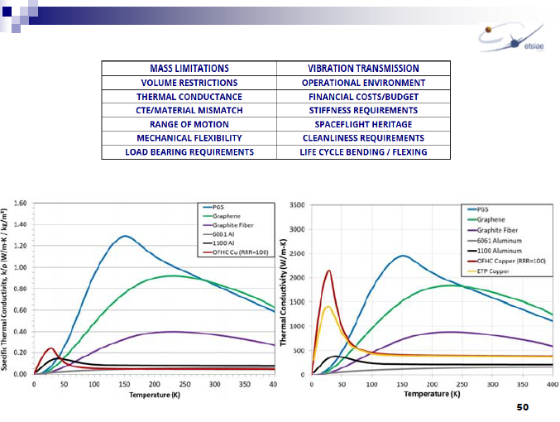
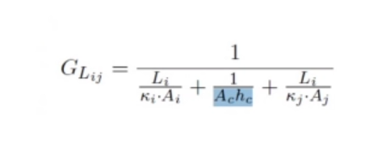

UDC | Source | Destination | Li [m] | ki [W/(mK)] | Ai [m^2] | Ac [m^2] | hc [W/(m^2K)] | kj [W/(mK)] | Aj [m^2] | GL [W/K]
IR_Tel_Lens_IR_Tel_Obj | IR_Tel_Lens | IR_Tel_Obj | 0.081 | 59 | 0.0050265482457 | 4.0212385966E-05 | 100 | 5 | 4.0212385966E-05 | 0.0015341807626
IR_Tel_Obj_IR_Tel_CCD | IR_Tel_Obj | CCD | 0.08 | 5 | 4.0212385966E-05 | 1.5393804003E-05 | 100 | 5 | 1.5393804003E-05 | 0.00047918456039 |  | 0.0244808743 | yx | DIST -
IR_Tel_Obj_IR_Tel_STR | IR_Tel_Obj | IR_Tel_STR | 0.045 | 5 | 4.0212385966E-05 | 4.0212385966E-05 | 200 | 160 | 0.007853981634 | 0.0028720178757 |  | 0.0206388 | xy | DIST +
IR_Tel_STR_Panel_inf | IR_Tel_STR | Panel_inf | 0.13 | 160 | 4.9087385212E-05 | 4.9087385212E-05 | 300 | 160 | 0.004 | 0.011811765605
Panel_Plate_xy | Panel | Plate 1 | 0.1 | 160 | 0.00025 | 0.00025 | 100 | 42 | 0.0004 | 0.020638820639
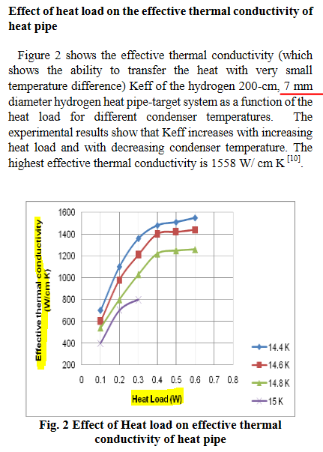
Panel_Plate_yx | Panel | Plate 1 | 0.075 | 160 | 0.0003 | 0.0003 | 100 | 42 | 0.0003 | 0.024480874317
Panel_Plate2_xy | Panel | Plate 2 | 0.1 | 160 | 0.00025 | 0.00025 | 100 | 42 | 0.0004 | 0.020638820639
Panel_Plate2_yx | Panel | Plate 2 | 0.075 | 160 | 0.0003 | 0.0003 | 100 | 42 | 0.0003 | 0.024480874317 |  | 0.014137166941
Plate_Panel_xy | Plate 1 | Panel | 0.1 | 42 | 0.0004 | 0.00025 | 100 | 160 | 0.00025 | 0.020638820639
Plate_Panel_yx | Plate 1 | Panel | 0.075 | 42 | 0.0003 | 0.0003 | 100 | 160 | 0.0003 | 0.024480874317
Plate2_Panel_xy | Plate 2 | Panel | 0.1 | 42 | 0.0004 | 0.00025 | 100 | 160 | 0.00025 | 0.020638820639
Plate2_Panel_yx | Plate 2 | Panel | 0.075 | 42 | 0.0003 | 0.0003 | 100 | 160 | 0.0003 | 0.024480874317 | 100 es muy alto
IR_Tel_STR_Panel_inf | IR_Tel_STR | Panel_inf | 0.13 | 160 | 0.007853981634 | 0.004 | 100 | 160 | 0.004 | 0.35630608338

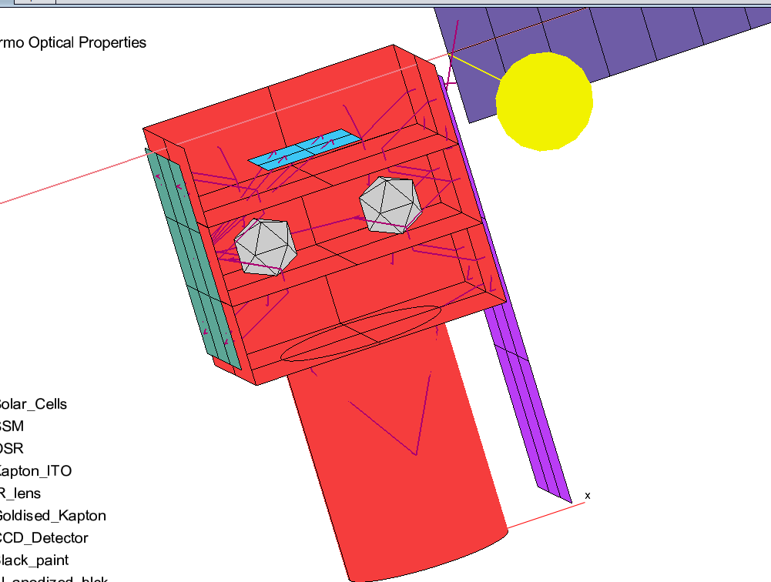
UDC | Source | Destination | k [W/(mK)] | Ac [m^2] | L [m] | GL [W/K] |  | STRAPS,HEAT PIPES
CCD_Rad | CCD | Rad_IR_Tel | 60000 | 0.0000350 | 0.21 | 10.00000 |  | GL = kAc/L
EBox_Rad | EBox | RAD_INS | 1700 | 0.0007069 | 0.19 | 6.32452
IR_Tel_Asmbly_Rad_side | IR_TEL_STR_2 | RAD_IR_TEL | 1700 | 0.0003200 | 0.35 | 1.55429 |  | Sources temp heat pipes
IR_Tel_Asmbly_Rad_ext | IR_TEL_STR | RAD_IR_TEL | 1700 | 0.0003200 | 0.16 | 3.40000 |  | https://sci-hub.st/https://link.springer.com/article/10.1007/s002310050097
IR_Tel_Asmbly_RAD_rad_in | IR_TEL_Obj | RAD_IR_TEL | 1700 | 0.0003200 | 0.05 | 10.88000 |  | http://www.thermalfluidscentral.org/encyclopedia/index.php/Heat_Pipe_Characteristics
Panel_STR_Rad | Panel | RAD_STR | 1700 | 0.0003200 | 0.385 | 1.41299 |  | https://aip.scitation.org/doi/pdf/10.1063/1.4706932
PLD1_RAD | PLD1 | RAD_INS | 1700 | 0.0003200 | 0.31 | 1.75484 |  | https://www.ijrte.org/wp-content/uploads/papers/v3i2/B1074053214.pdf
PLD2_RAD | PLD2 | RAD_INS | 1700 | 0.0003200 | 0.11 | 4.94545 |  | Sources straps
Panel_SolarPanel | Panel | Solar Panel | 160 | 0.0003142 | 0.05 | 1.00531 |  | http://thermotive.com/thermalstraps.html
Rad_disk_V_Rad | Rad_disk | Rad_IR_Tel | 1700 | 0.0003200 | 0.04 | 13.60000 |  | https://www.boydcorp.com/thermal/conduction-cooling/thermal-straps-busses/thermal-straps.html
RAD_STR_Support | Panel | RAD_STR | 5 | 0.0000283 | 0.01 | 0.01414 |  | https://info.boydcorp.com/hubfs/Thermal/Conduction-Cooling/Boyd-k-Core-Datasheet.pdf
RAD_IR_Tel_Support | Panel | Rad_IR_TEL | 5 | 0.0000283 | 0.01 | 0.01414 |  | https://thermal-space.com/thermal-lynx/
RAD_Tel_Support | Panel | Rad_IR_Tel | 5 | 0.0000283 | 0.01 | 0.01414
RAD_Ins_Support | Panel | RAD_INS | 5 | 0.0000283 | 0.01 | 0.01414
 |  |  |  |  |  |  |  | FAKE CONTACT

UDC | Source | Destination | hc [W/(m^2K)] | Ac [m^2] | GL [W/K]
Plate2_PLD1 | Plate | PLD1 | 300 | 0.0036 | 1.08
Plate2_PLD2 | Plate | PLD2 | 300 | 0.0049 | 1.47

autogenerated --> TIPO CONTACT
hc=300 | EBox_Plate_bottom |  |  |  |  |  | Note that if im using config3 must define UDC for rad INS conn

 |  |  |  |  |  |  | Probar:
TIPO CONTACT ZONE |  |  |  |  |  |  | Espejo para mover CCD a cerca del radiador
hc=200

GLs (CC)
UDC | Source | Destination | Li [m] | ki [W/(mK)] | Ai [m^2] | Ac [m^2] | hc [W/(m^2K)] | kj [W/(mK)] | Aj [m^2] | GL [W/K]
IR_Tel_Lens_IR_Tel_Obj | IR_Tel_Lens | IR_Tel_Obj | 0.081 | 59 | 0.0050265482457 | 4.0212385966E-05 | 100 | 5 | 4.0212385966E-05 | 0.0015341807626
IR_Tel_Obj_IR_Tel_CCD | IR_Tel_Obj | CCD | 0.08 | 5 | 4.0212385966E-05 | 1.5393804003E-05 | 100 | 5 | 0.000015 | 0.00047918456039 |  | 0.0244808743 | yx | DIST -
IR_Tel_Obj_IR_Tel_STR | IR_Tel_Obj | IR_Tel_STR | 0.045 | 5 | 4.0212385966E-05 | 4.0212385966E-05 | 200 | 160 | 7.85E-03 | 0.0028720178757 |  | 0.0206388 | xy | DIST +
IR_Tel_STR_Panel_inf | IR_Tel_STR | Panel_inf | 0.13 | 160 | 4.9087385212E-05 | 4.9087385212E-05 | 300 | 160 | 4.00E-03 | 0.011811765605
Panel_Plate_xy | Panel | Plate 1 | 0.1 | 160 | 0.00025 | 0.00025 | 100 | 42 | 4.00E-04 | 0.020638820639
Panel_Plate_yx | Panel | Plate 1 | 0.075 | 160 | 0.0003 | 0.0003 | 100 | 42 | 3.00E-04 | 0.024480874317
Panel_Plate2_xy | Panel | Plate 2 | 0.1 | 160 | 0.00025 | 0.00025 | 100 | 42 | 4.00E-04 | 0.020638820639
Panel_Plate2_yx | Panel | Plate 2 | 0.075 | 160 | 0.0003 | 0.0003 | 100 | 42 | 3.00E-04 | 0.024480874317
Plate_Panel_xy | Plate 1 | Panel | 0.1 | 42 | 0.0004 | 0.00025 | 100 | 160 | 2.50E-04 | 0.020638820639
Plate_Panel_yx | Plate 1 | Panel | 0.075 | 42 | 0.0003 | 0.0003 | 100 | 160 | 3.00E-04 | 0.024480874317
Plate2_Panel_xy | Plate 2 | Panel | 0.1 | 42 | 0.0004 | 0.00025 | 100 | 160 | 2.50E-04 | 0.020638820639
Plate2_Panel_yx | Plate 2 | Panel | 0.075 | 42 | 0.0003 | 0.0003 | 100 | 160 | 3.00E-04 | 0.024480874317 | 100 es muy alto
IR_Tel_STR_Panel_inf | IR_Tel_STR | Panel_inf | 0.13 | 160 | 0.007853981634 | 0.004 | 100 | 160 | 0.004 | 0.35630608338

UDC | Source | Destination | k [W/(mK)] | Ac [m^2] | L [m] | GL [W/K] |  | STRAPS,HEAT PIPES |  | GL = kAc/L
EBox_Rad | EBox | RAD_INS | 1700 | 0.0007069 | 0.19 | 6.32452
IR_Tel_Asmbly_Rad_side | IR_TEL_STR_2 | RAD_IR_TEL | 1700 | 0.0003200 | 0.35 | 1.55429 |  | Sources temp heat pipes
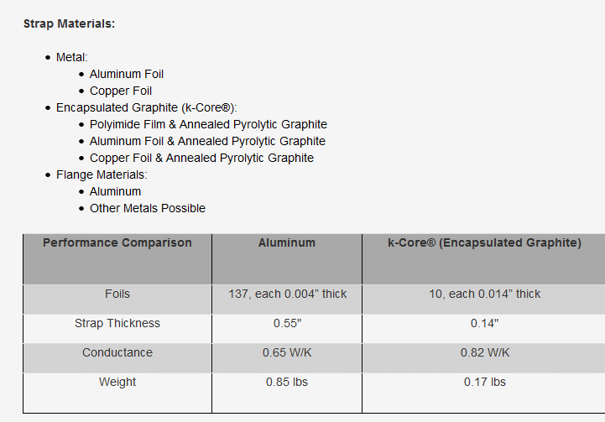
IR_Tel_Asmbly_Rad_ext | IR_TEL_STR | RAD_IR_TEL | 1700 | 0.0003200 | 0.16 | 3.40000 |  | https://sci-hub.st/https://link.springer.com/article/10.1007/s002310050097
IR_Tel_Asmbly_RAD_rad_in | IR_TEL_Obj | RAD_IR_TEL | 1700 | 0.0003200 | 0.05 | 10.88000 |  | http://www.thermalfluidscentral.org/encyclopedia/index.php/Heat_Pipe_Characteristics
PLD1_RAD | PLD1 | RAD_INS | 1700 | 0.0003200 | 0.31 | 1.75484 | - | https://aip.scitation.org/doi/pdf/10.1063/1.4706932
PLD2_RAD | PLD2 | RAD_INS | 1700 | 0.0003200 | 0.11 | 4.94545 |  | https://www.ijrte.org/wp-content/uploads/papers/v3i2/B1074053214.pdf
Panel_SolarPanel | Panel | Solar Panel | 160 | 0.0003142 | 0.05 | 1.00531 |  | Sources straps
Rad_disk_V_Rad | Rad_disk | Rad_IR_Tel | 1700 | 0.0003200 | 0.04 | 13.60000 |  | http://thermotive.com/thermalstraps.html
RAD_IR_Tel_Support | Panel | Rad_IR_TEL | 5 | 0.0000283 | 0.01 | 0.01414 |  | https://www.boydcorp.com/thermal/conduction-cooling/thermal-straps-busses/thermal-straps.html
RAD_Tel_Support | Panel | RAD_IR_TEL | 5 | 0.0000283 | 0.01 | 0.01414 |  | https://info.boydcorp.com/hubfs/Thermal/Conduction-Cooling/Boyd-k-Core-Datasheet.pdf
RAD_Ins_Support | Panel | RAD_INS | 5 | 0.0000283 | 0.01 | 0.01414 |  | https://thermal-space.com/thermal-lynx/
CCD_to_CryoCool_Sink | CCD | Cryocooler sink | 1700 | 0.0000785 | 0.02 | 6.67588
CryoCool_Sink_Support | Cryocooler Sink | RAD_IR_STR | 5 | 0.0000785 | 0.125 | 0.00314 |  |  | 0.014137166941
CryoCool_Diss_RAD | Cryocooler Diss | Rad_IR_Tel | 1700 | 0.0003142 | 0.21 | 2.54319
 |  |  |  |  |  |  |  | FAKE CONTACT

UDC | Source | Destination | hc [W/(m^2K)] | Ac [m^2] | GL [W/K]
Plate2_PLD1 | Plate1 | PLD1 | 300 | 0.0036 | 1.08
Plate2_PLD2 | Plate1 | PLD2 | 300 | 0.0049 | 1.47
CryoCool_Diss_Support | Plate1 | Cryocooler diss | 100 | 0.0025024 | 0.125118

autogenerated --> TIPO CONTACT
hc=300 | EBox_Plate_bottom |  |  |  |  |  | Note that if im using config3 must define UDC for rad INS conn

TIPO CONTACT ZONE
hc=200

